STR LCN TOP 10
Row Labels | Count of 3875
0954 | 114
0981 | 101 | 1414
Store Location Top 10 for Returns
0906 | 65
6903 | 64
0901 | 63
0917 | 62
0989 | 61
4605 | 60
1513 | 60
0111 | 57
Grand Total | 707

 |  |  | -1414

SKU Return Distribution
Row Labels | Count of 796591
100221 | 634 | 3812
176712 | 472 | 44%
SKU Returns Breakdown
176726 | 418
176757 | 375
100162 | 354
622533 | 354
520538 | 330
530215 | 314
796591 | 281
467226 | 280
408405 | 278
692312 | 209
521167 | 175
267696 | 170
622896 | 161
601054 | 140
363755 | 140
404330 | 137
236844 | 135
461497 | 119
521124 | 117
100415 | 115
486586 | 110
633090 | 104
422593 | 100
666574 | 98
230935 | 98
370326 | 97
425470 | 97
521442 | 93
470327 | 84
532748 | 80
175297 | 71
100160 | 69
185355 | 69
100402 | 68
137547 | 64
240630 | 63
622599 | 62
482074 | 60
100558 | 58
185254 | 54
487886 | 54
487121 | 54
399735 | 53
369364 | 49
384180 | 48
368778 | 47
668086 | 45
268055 | 45
611123 | 40
301056 | 39
419625 | 38
667897 | 38
185371 | 38
331083 | 37
176581 | 35
422724 | 34
369927 | 33
493638 | 32
467419 | 31
905704 | 29
100001 | 25
667580 | 24
369164 | 24
470952 | 21
176595 | 20
144111 | 20
176659 | 19
100530 | 19
733179 | 18
692158 | 17
467369 | 17
517654 | 15
733053 | 14
467212 | 12
350827 | 12
144777 | 12
268061 | 11
829994 | 10
849093 | 10
467422 | 10
268057 | 10
133891 | 9
467310 | 9
611189 | 8
236830 | 8
829323 | 8
144109 | 8
925318 | 8
236911 | 8
176693 | 8
236813 | 7
653851 | 7
653834 | 7
267666 | 7
691166 | 7
176709 | 7
467484 | 6
925285 | 6
925384 | 6
100214 | 5
855559 | 5
925351 | 5
467159 | 5
653820 | 5
237931 | 4
268060 | 4
176662 | 4
467386 | 4
467100 | 4
431406 | 3
858765 | 3
467193 | 2
829156 | 2
133499 | 2
100517 | 1
133552 | 1
350813 | 1
824468 | 1
382952 | 1
827247 | 1
467114 | 1
471238 | 1
Grand Total | 8665

Year Distribution
Return Instances Over Time
Row Labels | Count of Year2
1979 | 1986
1993 | 271
1994 | 261
1995 | 439
1996 | 715
1997 | 275
2001 | 244
2004 | 602
2005 | 75
2006 | 698
2007 | 29
2008 | 205
2009 | 739
2010 | 334
2011 | 394
2012 | 51
2013 | 25
2015 | 423
2016 | 639
2018 | 68
2019 | 115
2020 | 78
Grand Total | 8666

Return Instances By Year

Regional Distribution
Regional Distribution of Returns
Regional Breakdown of Return Instances
Row Labels | Count of Region
NJ Metro | 1055
NY Metro | 851
Mid-Atlantic | 844
New England | 783
Midsouth | 663
Central | 659
Midwest | 418
Northern Plains | 410
Ohio Valley | 400
Gulf | 367
Pac Mtn Desert | 330
South Atlantic | 328
Pacific Northwest | 321
Southeast | 296
Pacific North | 295
Southwest | 258
Pacific South | 202
Pacific Central | 142
South Florida/PR | 44
Grand Total | 8666

RTV Breakdown
Row Labels | Count of Customer RTV
Customer RTV | 3803
Store RTV | 4862
Grand Total | 8665

RTV Origin Breakdown
RTV Origin Distribution

Reasons for Return
Reasons for Return Breakdown
Row Labels | Count of 12 Missing Part(s)
1 Manufacturer Defect | 8009
11 Product Safety Issue | 39
12 Missing Part(s) | 617
Grand Total | 8665

Reasons for Return Distribution

Seasonality
RTV start date (Year) | All
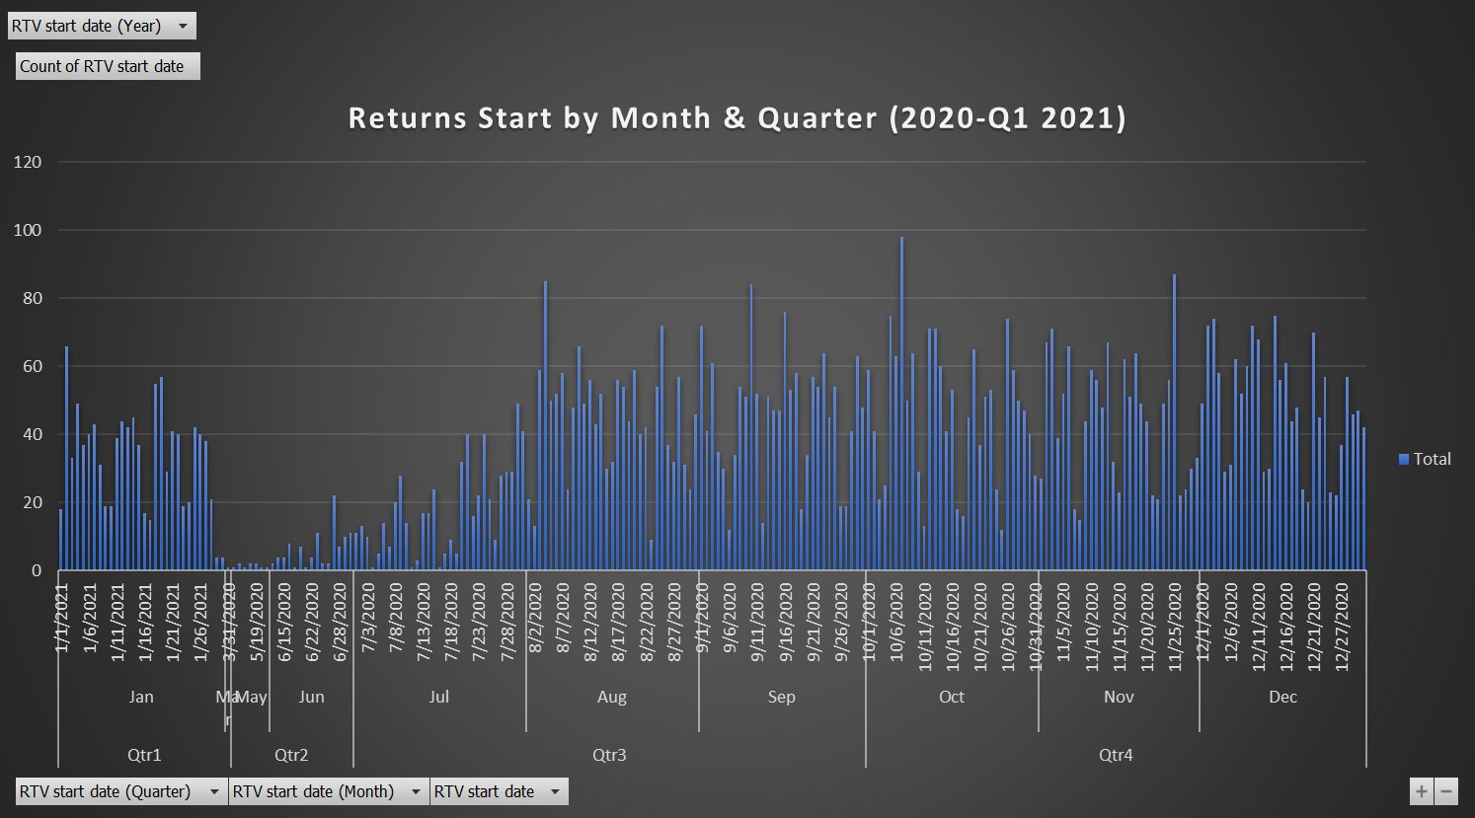
Row Labels | Count of RTV start date
Qtr1 | 1005
Qtr2 | 106
Qtr3 | 3344
Qtr4 | 4211
Grand Total | 8666

Returns Start by Quarter

Return Start By Quarter Distribution

